Sheet1
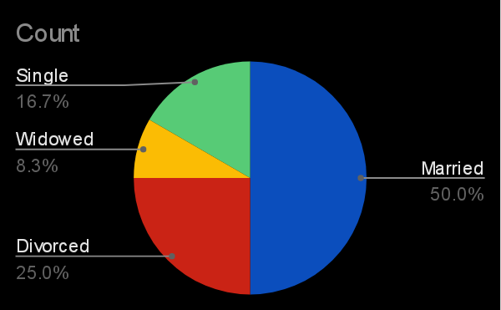
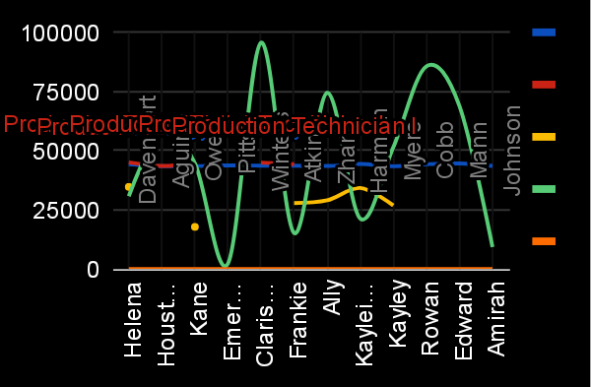
FirstName | LastName | StartDate | ExitDate | Title | Supervisor | ADEmail | BusinessUnit | EmployeeStatus | EmployeeType | PayZone | EmployeeClassificationType | TerminationType | TerminationDescription | DepartmentType | Division | DOB | State | JobFunctionDescription | GenderCode | LocationCode | RaceDesc | MaritalDesc | Performance Score | Current Employee Rating
Helena | Davenport | 11-Apr-21 | 24-May-23 | Production Technician II | Crystal Mcneil | helena.davenport@bilearner.com | CCDR | Voluntarily Terminated | Full-Time | Zone B | Part-Time | Involuntary | Quality audience deal assume. | Production | Engineers | 1994-12-10 | MA | Engineer | Female | 30766 | Hispanic | Married | Fully Meets | 5
Houston | Aguirre | 29-Nov-18 | 21-Feb-19 | Production Technician II | Christine Costa | houston.aguirre@bilearner.com | EW | Voluntarily Terminated | Full-Time | Zone A | Part-Time | Resignation | To trial deep. | Production | Field Operations | 15-02-1977 | MA | Technician | Female | 58348 | White | Married | Fully Meets | 2
Kane | Owen | 16-Jan-19 | 31-Aug-22 | Production Technician II | Mark Hale | kane.owen@bilearner.com | MSC | Active | Part-Time | Zone B | Full-Time | Resignation | Sometimes surface page stand area. | Production | Field Operations | 1948-09-03 | MA | Foreman | Female | 44626 | Hispanic | Divorced | Needs Improvement | 4
Emerson | Pitts | 18-Sep-19 |  | Production Technician I | Destiny Johnson | emerson.pitts@bilearner.com | CCDR | Active | Contract | Zone C | Temporary | Unk |  | Production | Engineers | 25-08-1943 | MA | Technician | Male | 2315 | Other | Divorced | Fully Meets | 4
Clarissa | Winters | 1-Aug-19 | 20-Jan-23 | Production Technician I | Eric Gonzales | clarissa.winters@bilearner.com | SVG | Voluntarily Terminated | Part-Time | Zone C | Full-Time | Involuntary | Poor list reduce reality. | Production | Billable Consultants | 13-03-1965 | MA | Engineer | Male | 95618 | Other | Divorced | Fully Meets | 3
Frankie | Atkins | 18-Jun-19 | 14-Apr-21 | Production Technician I | Christopher Murray | frankie.atkins@bilearner.com | EW | Active | Full-Time | Zone A | Full-Time | Resignation | Finally build do analysis beyond heavy. | Production | Project Management - Con | 1976-03-08 | MA | Coordinator | Male | 15195 | Other | Married | Fully Meets | 5
Ally | Zhang | 13-Feb-19 |  | Production Technician I | Ashley Williamson | ally.zhang@bilearner.com | MSC | Active | Full-Time | Zone C | Part-Time | Unk |  | Production | Field Operations | 1979-06-07 | MA | Technician | Male | 74447 | Other | Married | Fully Meets | 3
Kayleigh | Harmon | 2-Jun-21 |  | Production Technician I | Frederick Harrison | kayleigh.harmon@bilearner.com | TNS | Active | Contract | Zone B | Full-Time | Unk |  | Production | Shop (Fleet) | 1993-09-06 | MA | Welder | Female | 21318 | Other | Widowed | Fully Meets | 3
Kayley | Myers | 11-Oct-18 |  | Production Technician I | Brian Arnold | kayley.myers@bilearner.com | PYZ | Active | Part-Time | Zone C | Full-Time | Unk |  | Production | Field Operations | 1973-07-04 | MA | Laborer | Female | 51430 | Other | Single | Fully Meets | 3
Rowan | Cobb | 9-Mar-21 |  | Production Technician I | Lori Reed | rowan.cobb@bilearner.com | WBL | Active | Contract | Zone C | Full-Time | Unk |  | Production | Project Management - Con | 20-01-1952 | MA | Technician | Female | 85651 | Hispanic | Married | Fully Meets | 2
Edward | Mann | 23-Jan-22 |  | Production Technician I | Trevor Rodriguez | edward.mann@bilearner.com | NEL | Active | Contract | Zone A | Part-Time | Unk |  | Production | Field Operations | 25-12-1984 | MA | Technician | Male | 68900 | Black | Single | PIP | 4
Amirah | Johnson | 24-Feb-19 |  | Production Technician I | Jason Owens | amirah.johnson@bilearner.com | PL | Active | Contract | Zone B | Part-Time | Unk |  | Production | Field Operations | 14-06-1973 | MA | Laborer | Male | 9241 | Asian | Married | Exceeds | 1

